Q2.1
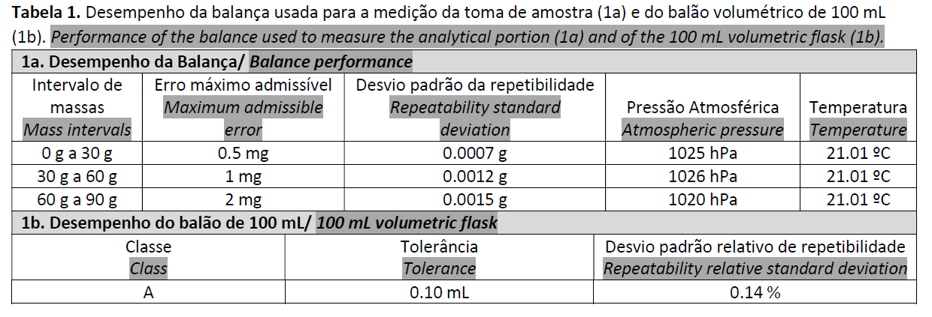

Tare: | 15 | g
Sample mass: | 50.0155 | g

Tare: | 15 | g
Gross: | 65.0155 | g | u(m)= | 0.0020387904911
 |  |  | U(m)= | 0.0040775809822

 |  |  | (50.0155±0.0041) g (k = 2; c.l. aprox. 95 %)

Q3
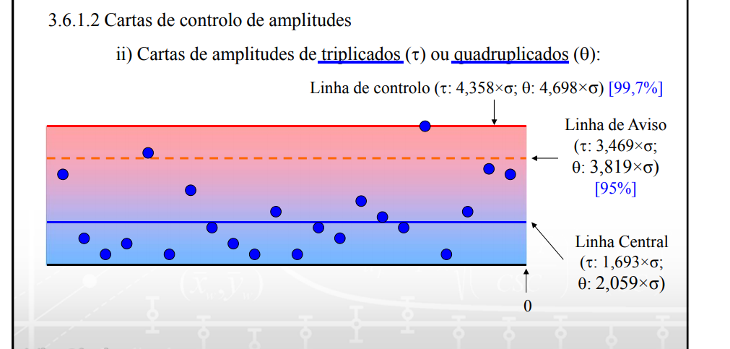

sr: | 0.63508795589 | mg/kg

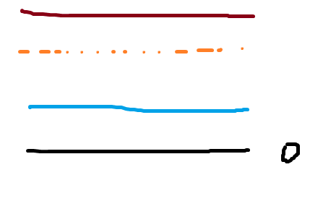
 |  |  | CL | 2.7677133118

 |  |  | WL | 2.203120119

 |  |  | CL | 1.0752039093

Q4_option1
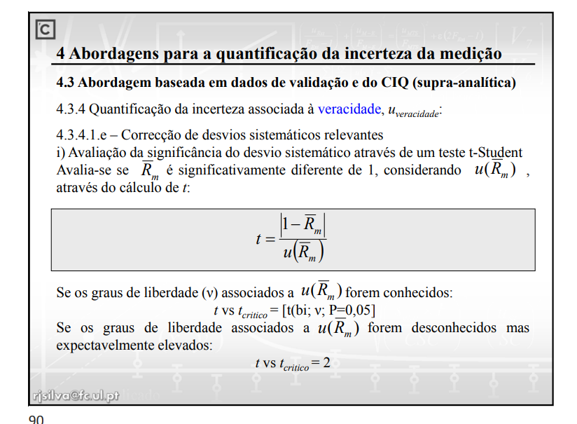
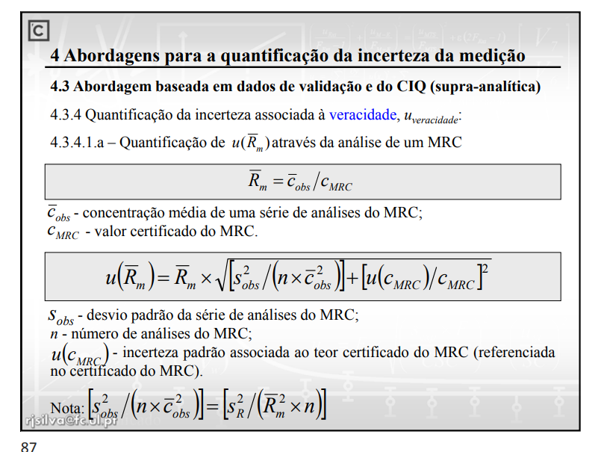
Análise de um material de referência certificado
Analysis of a certified reference material

Data/Date | MRC * | Data/Date | MRC * | Data/Date | MRC *
2019-08-06 | 17.88 | 2019-09-11 | 19.36 | 2019-10-16 | 19.03
2019-08-11 | 18.01 | 2019-09-15 | 19.28 | 2019-10-19 | 18.30
2019-08-14 | 18.38 | 2019-09-20 | 18.24 | 2019-10-24 | 18.94
2019-08-18 | 17.96 | 2019-09-22 | 17.56 | 2019-10-26 | 18.20
2019-08-21 | 17.79 | 2019-09-24 | 18.81 | 2019-10-31 | 18.88
2019-08-23 | 18.48 | 2019-09-27 | 19.35 | 2019-11-03 | 18.48
2019-08-27 | 18.81 | 2019-10-02 | 19.00 | 2019-11-05 | 18.55
2019-08-29 | 19.14 | 2019-10-05 | 18.52 | 2019-11-07 | 19.24
2019-09-03 | 18.64 | 2019-10-07 | 18.33 | 2019-11-12 | 18.64
2019-09-06 | 18.94 | 2019-10-12 | 18.50 | 2019-11-16 | 19.41
* Valor Certrificado/ Certified value: (18.510 ± 0.098) mg/kg (k = 2, nível de confiança/confidence level - 95 %)

Cobs_m | 18.62
Cref | 18.51
Rm= | 1.0060327751
sobs= | 0.50013848657
n= | 30

u(Rm)= | 0.0056061052246

tcal: | 1.0761080706 | <2

Q4_option2
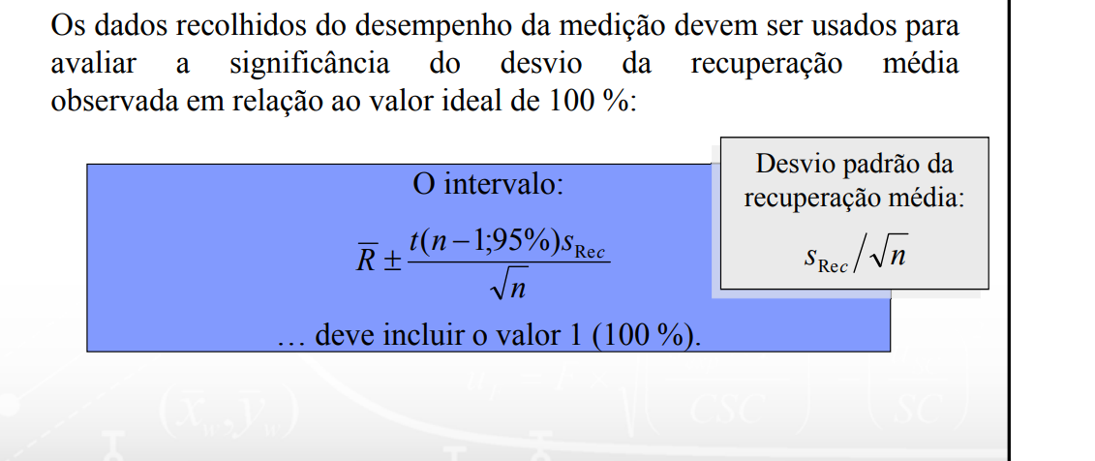

 |  | Data/Date | MRC * | Data/Date | MRC * | Data/Date | MRC *
 |  | 2019-08-06 | 17.88 | 2019-09-11 | 19.36 | 2019-10-16 | 19.03
 |  | 2019-08-11 | 18.01 | 2019-09-15 | 19.28 | 2019-10-19 | 18.30
 |  | 2019-08-14 | 18.38 | 2019-09-20 | 18.24 | 2019-10-24 | 18.94
 |  | 2019-08-18 | 17.96 | 2019-09-22 | 17.56 | 2019-10-26 | 18.20
 |  | 2019-08-21 | 17.79 | 2019-09-24 | 18.81 | 2019-10-31 | 18.88
 |  | 2019-08-23 | 18.48 | 2019-09-27 | 19.35 | 2019-11-03 | 18.48
 |  | 2019-08-27 | 18.81 | 2019-10-02 | 19.00 | 2019-11-05 | 18.55
 |  | 2019-08-29 | 19.14 | 2019-10-05 | 18.52 | 2019-11-07 | 19.24
 |  | 2019-09-03 | 18.64 | 2019-10-07 | 18.33 | 2019-11-12 | 18.64
 |  | 2019-09-06 | 18.94 | 2019-10-12 | 18.50 | 2019-11-16 | 19.41
 |  | * Valor Certrificado/ Certified value: (18.510 ± 0.098) mg/kg (k = 2, nível de confiança/confidence level - 95 %)

 |  |  | 96.60% |  | 104.59% |  | 102.81%
 |  |  | 97.30% |  | 104.16% |  | 98.87%
 |  |  | 99.30% |  | 98.54% |  | 102.32%
mean | 100.60% |  | 97.03% |  | 94.87% |  | 98.33%
SD | 0.027019907432 |  | 96.11% |  | 101.62% |  | 102.00%
t | 2.0452296421 |  | 99.84% |  | 104.54% |  | 99.84%
n | 30 |  | 101.62% |  | 102.65% |  | 100.22%
 |  |  | 103.40% |  | 100.05% |  | 103.94%
mean+t*s/sqrt(30) |  | 101.61221743263258% | 100.70% |  | 99.03% |  | 100.70%
 |  |  | 102.32% |  | 99.95% |  | 104.86%
mean-t*s/sqrt(30) |  | 99.594337582674460%

